Question
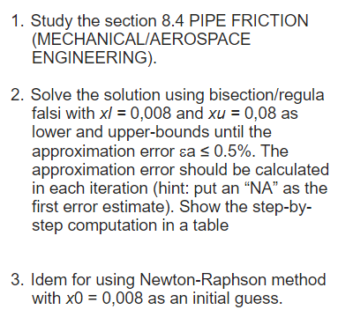
TUGAS 1 METODE KOMPUTASI
TOBIAS MIKHA SULISTIYO - 202400090001

